Sheet1
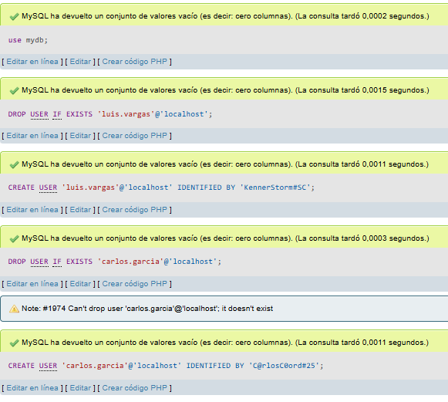
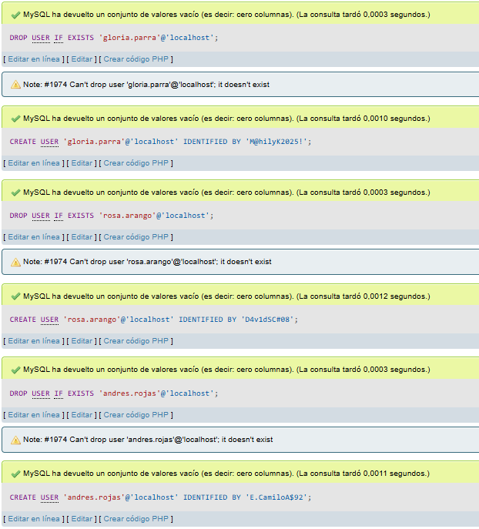
ACTORES | TABLAS | PRIVILEGIOS (PERMISOS) - CRUD | NOMBRE DE USUARIO | CONTRASEÑA | CODIGO MYSQL CREACIÓN USUARIO | CODIGO MYSQL ASIGNACION DE PERMISOS |  |  | PANTALLAZOCODIGO SQL CREACION USUARIOS
Aprendiz | Aprendiz | Read, Update | gloria.parra | M@hilyK2025! | CREATE USER 'gloria.parra'@'localhost' IDENTIFIED BY 'M@hilyK2025!'; | GRANT SELECT ON sena.aprendiz TO 'gloria.parra'@'localhost'; FLUSH PRIVILEGES;
 | Asistencia | Read |  |  |  | GRANT SELECT, UPDATE ON sena.asistencia TO 'gloria.parra'@'localhost'; FLUSH PRIVILEGES;
 | Incidente | Read |  |  |  | GRANT SELECT, UPDATE ON sena.incidente TO 'gloria.parra'@'localhost'; FLUSH PRIVILEGES;
 | Programas | Read |  |  |  | GRANT SELECT ON sena.programas TO 'gloria.parra'@'localhost'; FLUSH PRIVILEGES;
 | Jornada | Read |  |  |  | GRANT SELECT ON sena.jornada TO 'gloria.parra'@'localhost'; FLUSH PRIVILEGES;
 | Modalidad | Read |  |  |  | GRANT SELECT ON sena.modalidad TO 'gloria.parra'@'localhost'; FLUSH PRIVILEGES;
Guarda de seguridad | Registro minuta | Create, Read, Update | rosa.arango | D4v1dSC#08 | CREATE USER 'rosa.arango'@'localhost' IDENTIFIED BY 'D4v1dSC#08'; | GRANT CREATE, SELECT, UPDATE ON sena.registro_minuta TO 'rosa.arango'@'localhost'; FLUSH PRIVILEGES;
 | Incidente | Read, Update |  |  |  | GRANT SELECT, UPDATE ON sena.incidente TO 'rosa.arango'@'localhost'; FLUSH PRIVILEGES;
 | Ambiente | Read, Update |  |  |  | GRANT SELECT, UPDATE ON sena.ambiente TO 'rosa.arango'@'localhost'; FLUSH PRIVILEGES; |  |  | VISUALIZACION DE PRIVILEGIOS POR USERS
 | Recursos | Read |  |  |  | GRANT SELECT ON sena.recursos TO 'rosa.arango'@'localhost'; FLUSH PRIVILEGES; | 1 | ADMINISTRADOR |  | 2 | COORDINADOR
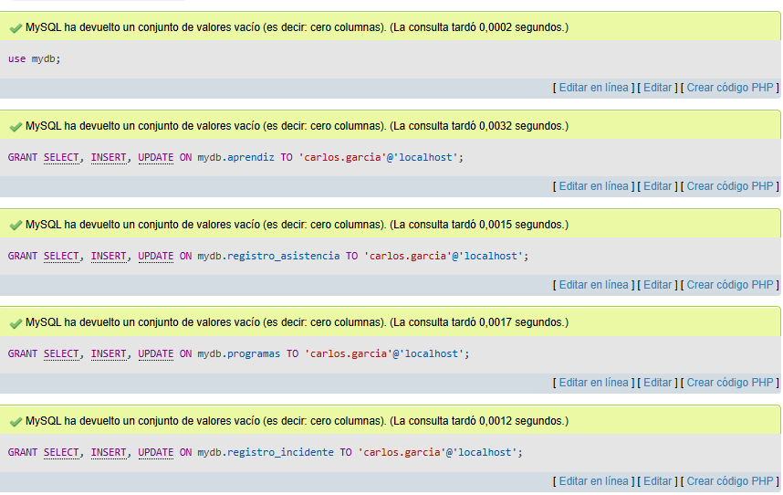
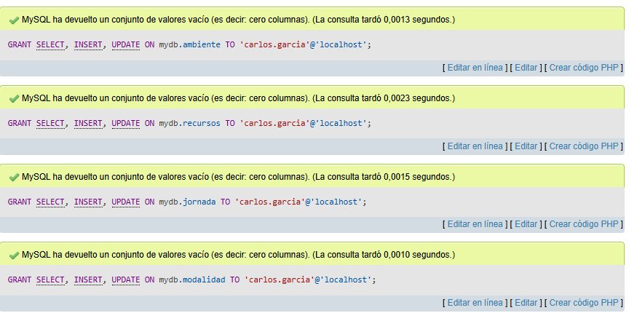
Instructor | Aprendiz | Read | andres.rojas | E.CamiloA$92 | CREATE USER 'andres.rojas'@'localhost' IDENTIFIED BY 'E.CamiloA$92'; | GRANT SELECT ON sena.aprendiz TO 'andres.rojas'@'localhost'; FLUSH PRIVILEGES;
 | Ambiente | Read |  |  |  | GRANT SELECT, UPDATE ON sena.ambiente TO 'andres.rojas'@'localhost'; FLUSH PRIVILEGES;
 | Minutas | Read |  |  |  | GRANT SELECT ON sena.minutas TO 'andres.rojas'@'localhost'; FLUSH PRIVILEGES;
 | Incidente | Create, Read, Update |  |  |  | GRANT CREATE SELECT, UPDATE ON sena.incidente TO 'andres.rojas'@'localhost'; FLUSH PRIVILEGES;
 | Asistencia | Read, Update |  |  |  | GRANT SELECT, UPDATE ON sena.asistencia TO 'andres.rojas'@'localhost'; FLUSH PRIVILEGES; | 3 | APRENDIZ
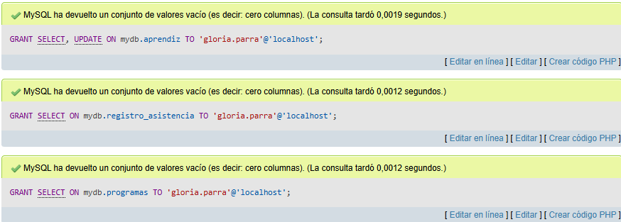
 | Jornada | Read |  |  |  | GRANT SELECT ON sena.jornada TO 'andres.rojas'@'localhost'; FLUSH PRIVILEGES;
 | Recursos | Read |  |  |  | GRANT SELECT ON sena.recursos TO 'andres.rojas'@'localhost'; FLUSH PRIVILEGES;
Administrador | Acceso Total | Create, Read, Update, Delete | luis.vargas | KennerStorm#SC | CREATE USER 'rosa.arango'@'localhost' IDENTIFIED BY 'KennerStorm#SC'; | GRANT ALL PRIVILEGES ON mydb.* TO 'luis.vargas'@'localhost' WITH GRANT OPTION;

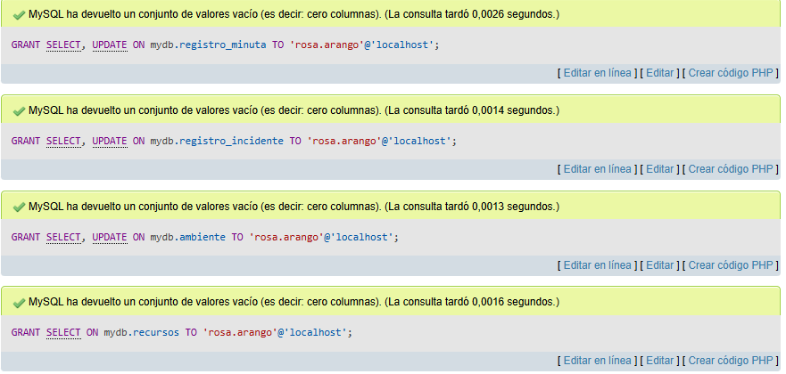
 |  |  |  |  |  |  |  |  |  | 4 | GUARDA DE SEGURIDAD
Coordinador | Aprendiz | Create, Read, Update | carlos.garcia | C@rlosC0ord#25 | CREATE USER 'carlos.garcia'@'localhost' IDENTIFIED BY 'C@rlosC0ord#25'; | GRANT CREATE,SELECT, UPDATE ON sena.aprendiz TO 'carlos.garcia'@'localhost'; FLUSH PRIVILEGES;
 | Asistencia | Create, Read, Update |  |  |  | GRANT CREATE, SELECT, UPDATE ON sena.asistencia TO 'carlos.garcia'@'localhost'; FLUSH PRIVILEGES;
 | Programas | Create, Read, Update |  |  |  | GRANT CREATE, SELECT, UPDATE ON sena.programas TO 'carlos.garcia'@'localhost'; FLUSH PRIVILEGES; | 5 | INSTRUCTOR
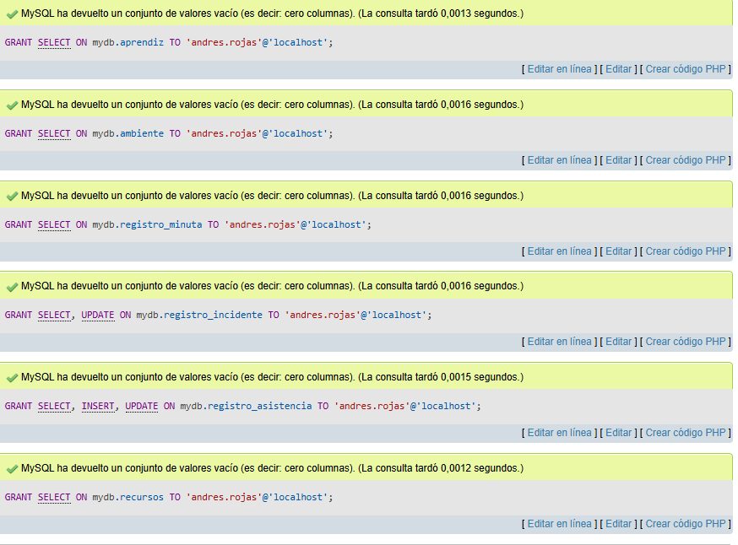
 | Incidente | Create, Read, Update |  |  |  | GRANT CREATE, SELECT, UPDATE ON sena.incidente TO 'carlos.garcia'@'localhost'; FLUSH PRIVILEGES;
 | Minutas | Create, Read, Update |  |  |  | GRANT CREATE, SELECT, UPDATE ON sena.minutas TO 'carlos.garcia'@'localhost'; FLUSH PRIVILEGES;
 | Ambiente | Create, Read, Update |  |  |  | GRANT CREATE, SELECT, UPDATE ON sena.ambiente TO 'carlos.garcia'@'localhost'; FLUSH PRIVILEGES;
 | Recursos | Create, Read, Update |  |  |  | GRANT CREATE, SELECT, UPDATE ON sena.recursos TO 'carlos.garcia'@'localhost'; FLUSH PRIVILEGES;
 | Jornada | Create, Read, Update |  |  |  | GRANTCREATE, SELECT, UPDATE ON sena.jornada TO 'carlos.garcia'@'localhost'; FLUSH PRIVILEGES;
 | Modalidad | Create, Read, Update |  |  |  | GRANT CREATE, SELECT, UPDATE ON sena.modalidad TO 'carlos.garcia'@'localhost'; FLUSH PRIVILEGES;

